Sheet1
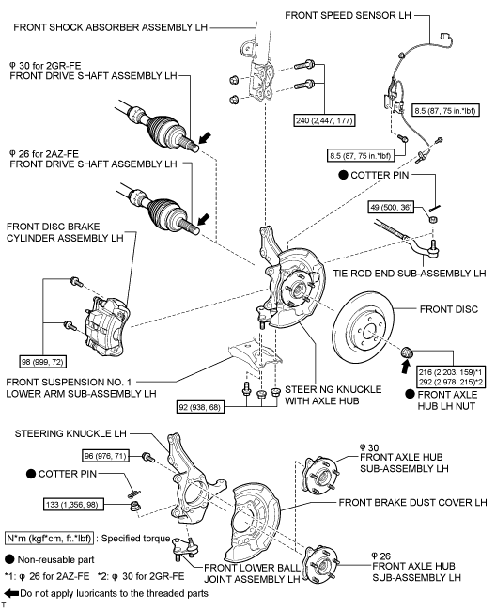
2008 Toyota Rav4 Sport 2.4
WHEEL HUB/FRONT AXLE HUB
Your Vehicle: 2008 Toyota Truck RAV4 2WD L4-2.4L (2AZ-FE)

 | Vehicle » Transmission and Drivetrain » Drive Axles, Bearings and Joints » Wheel Hub » Service and Repair » Front Axle Hub » Components

 | Components

AXLE: FRONT AXLE HUB: COMPONENTS

COMPONENTS

ILLUSTRATION

